Sheet2
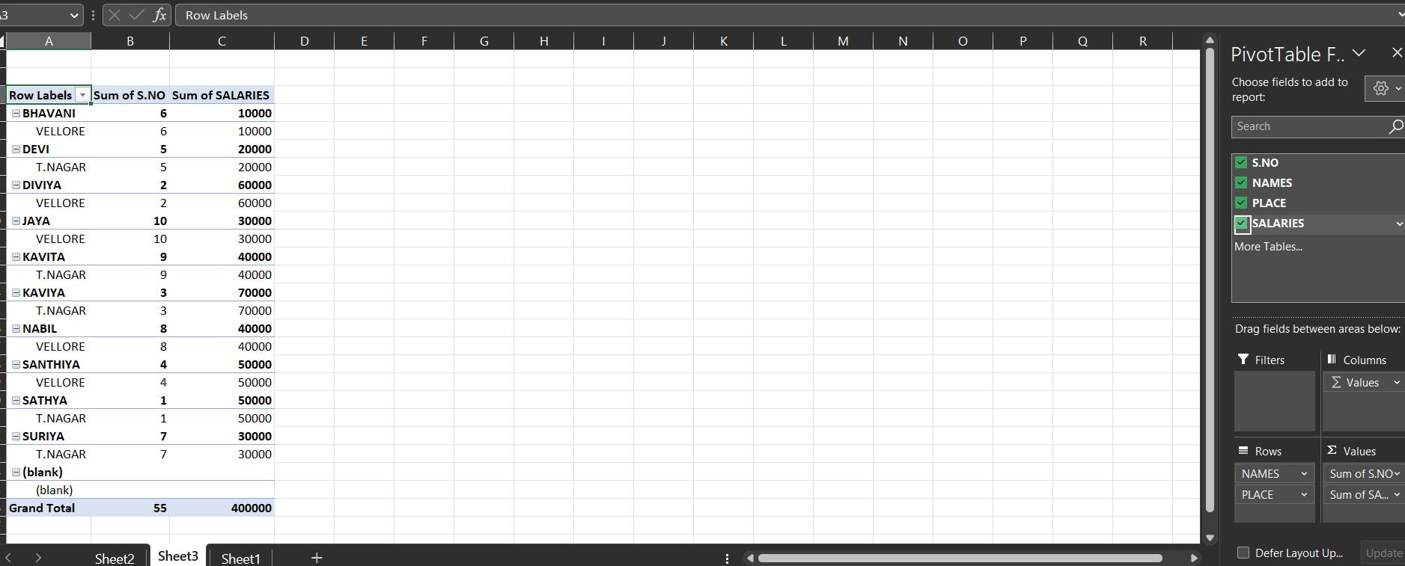
Row Labels | Sum of S.NO | Sum of SALARIES
BHAVANI | 6 | 10000
VELLORE | 6 | 10000
DEVI | 5 | 20000
T.NAGAR | 5 | 20000
DIVIYA | 2 | 60000
VELLORE | 2 | 60000
JAYA | 10 | 30000
VELLORE | 10 | 30000
KAVITA | 9 | 40000
T.NAGAR | 9 | 40000
KAVIYA | 3 | 70000
T.NAGAR | 3 | 70000
NABIL | 8 | 40000
VELLORE | 8 | 40000
SANTHIYA | 4 | 50000
VELLORE | 4 | 50000
SATHYA | 1 | 50000
T.NAGAR | 1 | 50000
SURIYA | 7 | 30000
T.NAGAR | 7 | 30000
(blank)
(blank)
Grand Total | 55 | 400000

